Deuda Financiera
Capital CLP Th.$ | Currency | Total | 1 - 12 months | 1 - 3 years | 3 - 5 years | more than 5 years
Promissory Notes | $ | 192,648,443 | 26,535,097 | 28,473,787 | 22,486,617 | 115,152,942
Bonds | $ | 552,968,608 | 8,905,924 | 44,525,773 | 19,275,625 | 480,261,286
Bank Debt | $ | 96,093,999 | 2,074,790 | 50,589,003 | 43,430,206 | 0
Total |  | 841,711,050 | 37,515,811 | 123,588,563 | 85,192,448 | 595,414,228

Composition By Instrument |  |  |  | Composition by Interest Rate

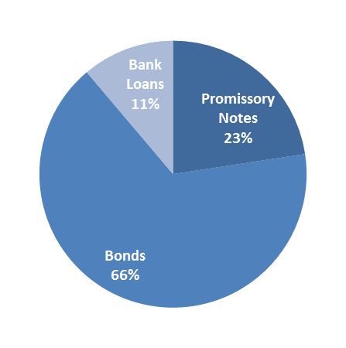
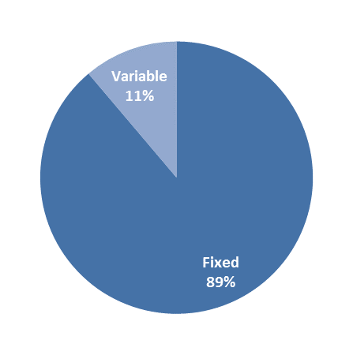

0 | 0
0 | 0
0 | 0

