N2.2L ME
Currency | 2016-09-30 | 2015-12-31
 | $ | $
US Dollar | 658.02 | 710.16
Euro | 738.77 | 774.61
 |  |  | Item | Useful life (years) minimum
 |  |  | Buildings | 25
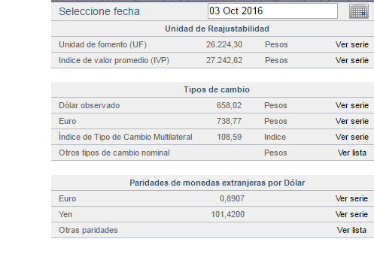
 |  |  | Plant & equipment | 5
 |  |  | Computer equipment | 4
 |  |  | Fixed installations & accessories | 5
 |  |  | Motor vehicles | 7
 |  |  | Improvements to leased assets | 5
 |  |  | Other property, plant & equipment | 5

 |  |  |  | Nombre de filial significativa | Aguas | Aguas | Essal S.A.
 |  |  |  |  | Cordillera S.A. | Manquehue S.A.
 |  |  |  | Rut | 96.809.310-k | 89.221.000-4 | 95.579.800-5
 |  |  |  | País | Chile | Chile | Chile
 |  |  |  | Moneda funcional | Pesos chilenos | Pesos Chilenos | Pesos chilenos
 |  |  |  | Porcentaje de participación en filial significativa | 99.99% | 100.00% | 53.51%
 |  |  |  | Porcentaje poder de voto en filial significativa | 99.99% | 100.00% | 53.51%
 |  |  |  | Porcentaje sobre valores consolidados
 |  |  |  | Margen de contribución | 8.38% | 2.07% | 6.06%
Moneda | 2016-06-30 | 2015-12-31 |  | Propiedades, planta y equipos | 7.63% | 4.17% | 15.83%
Acciones serie A | 5,811,030,417 | 5,811,030,417 |  | Resultado del período | 10.73% | 2.63% | 2.92%
Acciones serie B | 307,934,743 | 307,934,743

